Figure D2
Reference diagram with three-dimensional, cut-away perspective depicting idealized subsurface cross-section of affected groundwater plume and aquifer along a groundwater-surface water monitoring array that defines the locations of variables used to calculate the representative groundwater concentration. Variables include the distances between groundwater monitoring wells inside the affected groundwater plume, di; distance from the non-detect isoconcentration contour to the first monitoring well inside the plume, d0; and the distance from the other non-detect isoconcentration contour to the last monitoring well inside the affected plume, dn. Other variables define the aquifer thickness, b; and the individual area cells associated with each monitoring well in the affected groundwater plume, Ai.
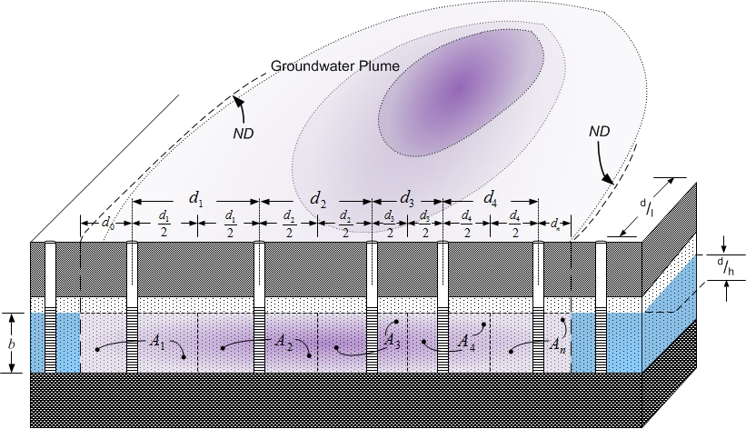

End of worksheet

