Sheet1
 | TRRP-15eco: Discharge-Weighted Representative Groundwater COC Concentration at Surface Water Interface (v. 1.2 Oct 2012)
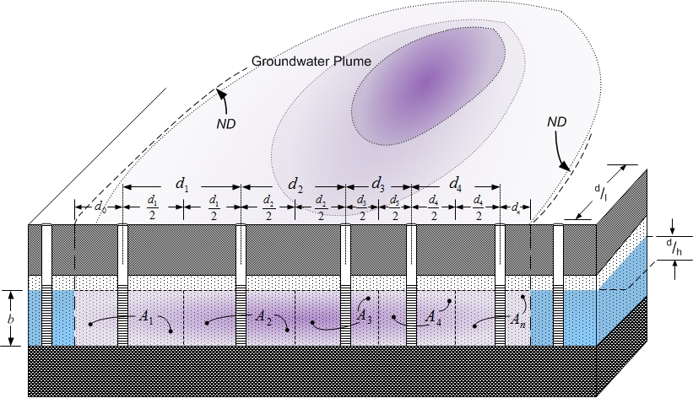

 |  |  |  |  | INSTRUCTIONS:
 |  |  |  |  | 1. Calculator solves general condition described in [EQ 12], below
 |  |  |  |  | 2. Enter data only in uncolored cells
 |  |  |  |  | 3. BEGIN by entering monitoring well designations starting with "Well 1," and consistent with the order presented in Figure D.2 (Appendix D, TRRP-15eco) and reproduced here - Up to 10 groundwater/surface water interface monitoring wells may be entered

 |  |  |  |  | 4. Enter distances as shown in Figure D.2 (Appendix D, TRRP-15eco)
 |  |  |  |  | 5. Enter remaining COC and aquifer parameter data from each respective monitoring well
 |  |  |  |  | 6. Enter values IN UNITS DENOTED
 |  |  |  |  | 7. Representative groundwater concentration displayed in blue box at bottom
 |  |  |  |  | 8. DELETE DATA IN COLUMNS WITH NO WELL DESIGNATION
 |  |  |  |  | (table below contains example D.1 information - replace with site well information)

 |  |  |  |  |  |  |  |  |  |  |  | [EQ 12]

 |  |  |  | Number of monitoring wells inside GW plume: n = |  |  |  | 5

Monitoring Wells |  |  | Well 1 | Well 2 | Well 3 | Well 4 | Well 5
Enter designation of monitoring wells in plume (from d0; see Figure D2): |  |  | MW-1 | MW-2 | MW-3 | MW-4 | MW-5

Interwell Distances |  | d0 | d1 | d2 | d3 | d4 | d5
Enter interwell and plume-edge distances per Figure D-2 (ft): |  | 20.0 ft | 70.0 ft | 55.0 ft | 40.0 ft | 50.0 ft | 15.0 ft

Groundwater Concentrations |  |  | C1 | C2 | C3 | C4 | C5
Enter groundwater COC concentration from each well in plume (mg/L): |  |  | 10.00 mg/L | 15.00 mg/L | 20.00 mg/L | 11.00 mg/L | 8.00 mg/L

Aquifer Parameters |  |  | K1 | K2 | K3 | K4 | K5
Hydraulic conductivity (cm/s): |  |  | 2.50E-04 cm/s | 2.50E-04 cm/s | 2.50E-04 cm/s | 2.50E-04 cm/s | 2.50E-04 cm/s

 |  |  | dh/dl1 | dh/dl2 | dh/dl3 | dh/dl4 | dh/dl5
Hydraulic gradient (-): |  |  | 0.0010 | 0.0010 | 0.0010 | 0.0010 | 0.0010

 |  |  | ηe1 | ηe2 | ηe3 | ηe4 | ηe5
Effective porosity (-): |  |  | 0.33 | 0.33 | 0.33 | 0.33 | 0.33

 |  |  | b1 | b2 | b3 | b4 | b5
Aquifer saturated thickness discharging to surface water (ft): |  |  | 5.00 ft | 5.00 ft | 5.00 ft | 5.00 ft | 5.00 ft

 |  |  | 2.11E-04 mg/s | 3.59E-04 mg/s | 3.64E-04 mg/s | 1.90E-04 mg/s | 1.23E-04 mg/s | 0.00E+00 mg/s | 0.00E+00 mg/s | 0.00E+00 mg/s | 0.00E+00 mg/s | 0.00E+00 mg/s

 |  |  | 7.44E-07 cfs | 8.46E-07 cfs | 6.43E-07 cfs | 6.09E-07 cfs | 5.41E-07 cfs | 0.00E+00 cfs | 0.00E+00 cfs | 0.00E+00 cfs | 0.00E+00 cfs | 0.00E+00 cfs

 |  |  |  | 1.25E-03 mg/s |  | 1.30E+01 mg/L
 |  |  |  | 3.38E-06 cfs

